Investigation #1 pg265
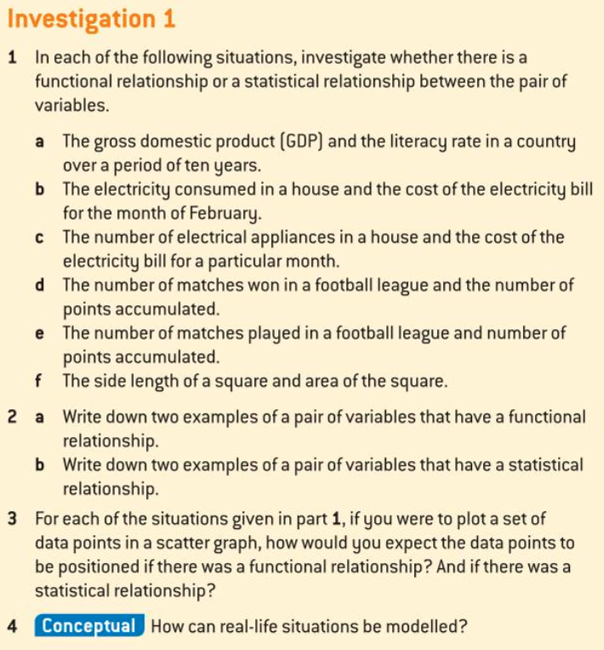
Answer the questions in writing below.
Investigation #1 pg265

Part 1 Investigation #3 pg271
 | Answer the questions in writing below.
 | Investigation #3 pg271

1 | For each set:
a) | Plot the points on a scatter graph.
b) | Comment on the correlation
c) | Find the value of r, Pearson's product moment coefficient.
d) | What do you notice? How would you relate the value of r to the correlation?
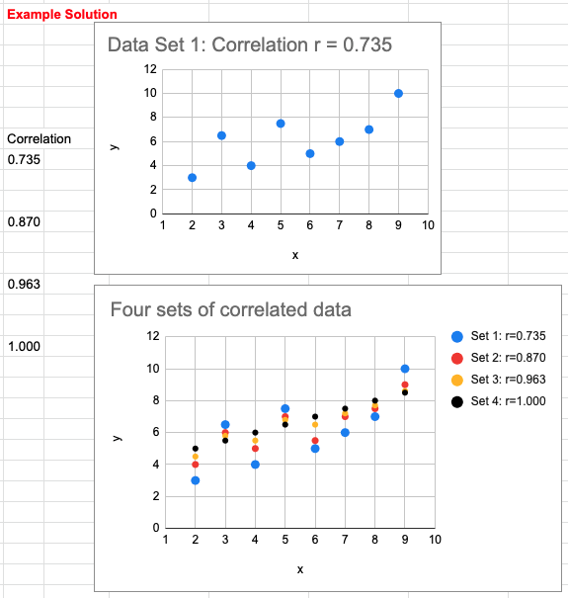
 |  | Set 1 | x | 2 | 3 | 4 | 5 | 6 | 7 | 8 | 9
 |  |  | y | 3 | 6.5 | 4 | 7.5 | 5 | 6 | 7 | 10

 |  | Set 2 | x | 2 | 3 | 4 | 5 | 6 | 7 | 8 | 9
 |  |  | y | 4 | 6 | 5 | 7 | 5.5 | 7 | 7.5 | 9

 |  | Set 3 | x | 2 | 3 | 4 | 5 | 6 | 7 | 8 | 9
 |  |  | y | 4.5 | 5.8 | 5.5 | 6.8 | 6.5 | 7.2 | 7.7 | 8.6

 |  | Set 4 | x | 2 | 3 | 4 | 5 | 6 | 7 | 8 | 9
 |  |  | y | 5 | 5.5 | 6 | 6.5 | 7 | 7.5 | 8 | 8.5

Part 2 Investigation #3 pg271
 | Answer the questions in writing below.
 | Investigation #3 pg271
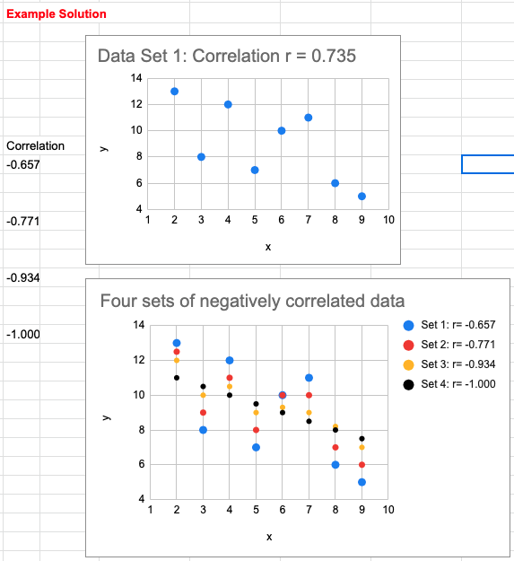
2 | For each set:
a) | Plot the points on a scatter graph.
b) | Comment on the correlation
c) | Find the value of r, Pearson's product moment coefficient.
d) | What do you notice? How would you relate the value of r to the correlation?

 |  | Set 1 | x | 2 | 3 | 4 | 5 | 6 | 7 | 8 | 9
 |  |  | y | 13 | 8 | 12 | 7 | 10 | 11 | 6 | 5

 |  | Set 2 | x | 2 | 3 | 4 | 5 | 6 | 7 | 8 | 9
 |  |  | y | 12.5 | 9 | 11 | 8 | 10 | 10 | 7 | 6

 |  | Set 3 | x | 2 | 3 | 4 | 5 | 6 | 7 | 8 | 9
 |  |  | y | 12 | 10 | 10.5 | 9 | 9.3 | 9 | 8.2 | 7

 |  | Set 4 | x | 2 | 3 | 4 | 5 | 6 | 7 | 8 | 9
 |  |  | y | 11 | 10.5 | 10 | 9.5 | 9 | 8.5 | 8 | 7.5

Investigation #4 pg273
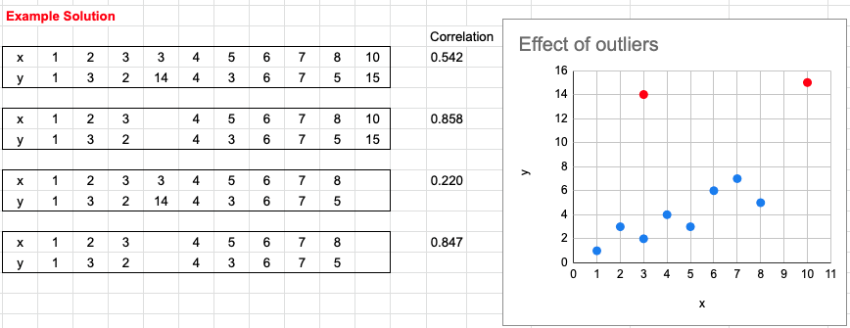
Answer the questions in writing below.
Investigation #4 pg273

 | x | 1 | 2 | 3 | 3 | 4 | 5 | 6 | 7 | 8 | 10
 | y | 1 | 3 | 2 | 14 | 4 | 3 | 6 | 7 | 5 | 15

